Document History
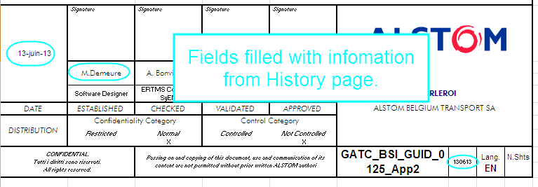
Reference: | GATC_BSI_GUID_0125_App10 | abcd |  | ERTMS TRB | 2015-09-02 | Search for last date
 |  |  |  |  | M.Demeure | Search for corresponding name
DOCUMENT REVISIONS |  |  |  |  | Do not modify the above fields.

Revision | Author | Date | Comments
2015-09-02 | M.Demeure | 2015-09-02 | First issue of this document. Source of information: GATC_M_SPEC_0070_appA. This is the minimum version for Baseline 6.4.A. |  | This file contains automatic filling of the cover and history page.
 |  |  |  |  | Do not fill the column A of this page, it's automatic and used for other fields!

 |  |  |  |  | Automatic filling of cover page:

